EDA - NUMERICAL
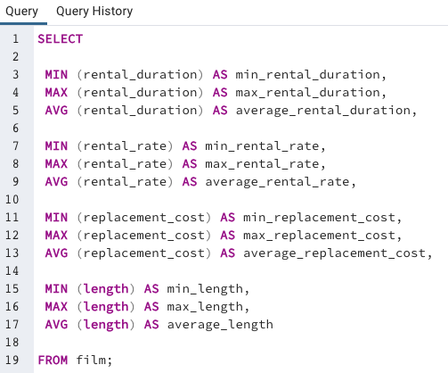
min_rental_duration | max_rental_duration | average_rental_duration | min_rental_rate | max_rental_rate | average_rental_rate | min_replacement_cost | max_replacement_cost | average_replacement_cost | min_length | max_length | average_length
3 | 7 | 4.98 | 0.99 | 4.99 | 2.98 | 9.99 | 29.99 | 19.98 | 46 | 185 | 115.27

EDA - Modal
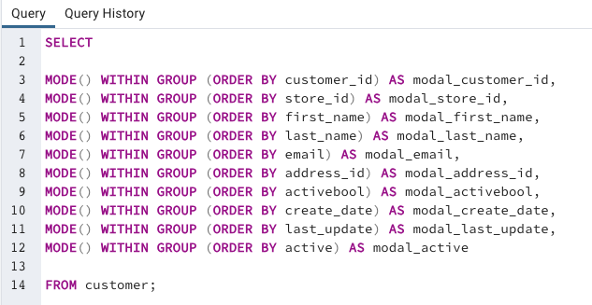
modal_film_id | modal_title | modal_description | modal_release_year | modal_language_id | modal_rating | modal_last_update | modal_special_features | modal_fulltext
1 | Academy Dinosaur | A Action-Packed Character Study of a Astronaut And a Explorer who must Reach a Monkey in A MySQL Convention | 2006 | 1 | PG-13 | 2013-05-26 14:50:58 | {Trailers,Commentaries,"Behind the Scenes"} | 'american':5 'aveng':2 'comic':7 'end':3 'game':4 'marvel':6 'movi':8

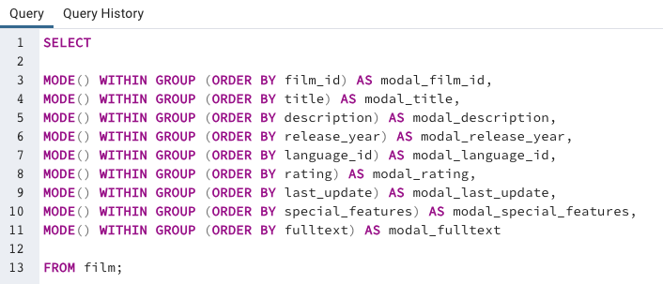

modal_customer_id | modal_store_id | modal_first_name | modal_last_name | modal_email | modal_address_id | modal_activebool | modal_create_date | modal_last_update | modal_active
1 | 1 | Jamie | Abney | aaron.selby@sakilacustomer.org | 5 | TRUE | 2006-02-14 | 2013-05-26 14:49:45 | 1

Top10 - Countries by Customers
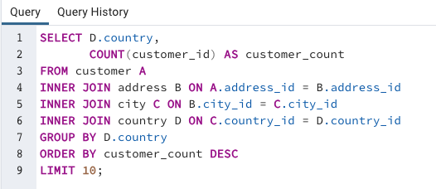
country | customer_count
India | 60
China | 53
United States | 36
Japan | 31
Mexico | 30
Brazil | 28
Russian Federation | 28
Philippines | 20
Turkey | 15
Indonesia | 14

Top10 - Cities by Customers
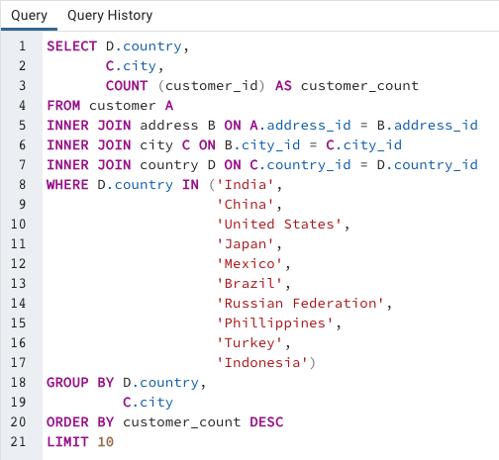
country | city | customer_count
United States | Aurora | 2
Mexico | Acua | 1
United States | Citrus Heights | 1
Japan | Iwaki | 1
India | Ambattur | 1
China | Shanwei | 1
Brazil | So Leopoldo | 1
Russian Federation | Teboksary | 1
China | Tianjin | 1
Indonesia | Cianjur | 1

Top5 - Customers by Payment
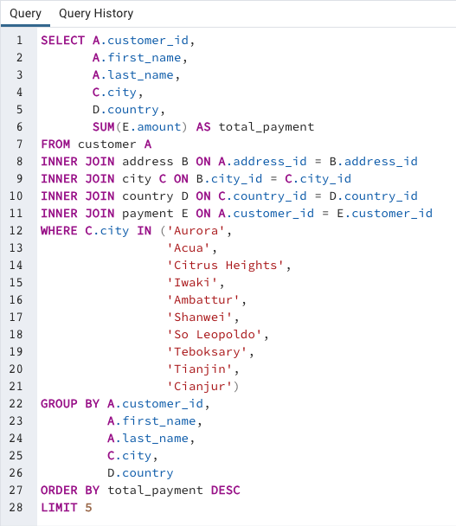
customer_id | first_name | last_name | city | country | total_payment
225 | Arlene | Harvey | Ambattur | India | $111.76
424 | Kyle | Spurlock | Shanwei | China | $109.71
240 | Marlene | Welch | Iwaki | Japan | $106.77
486 | Glen | Talbert | Acua | Mexico | $100.77
537 | Clinton | Buford | Aurora | United States | $98.76

Top and Bottom Movies
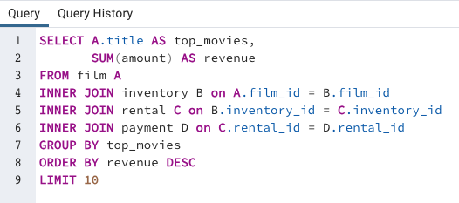
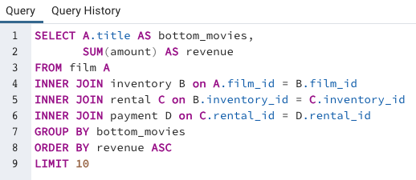
rank | top_movies | revenue | rank | bottom_movies | revenue
1 | Telegraph Voyage | $215.75 | 10 | Texas Watch | $5.94
2 | Zorro Ark | $199.72 | 9 | Oklahoma Jumanji | $5.94
3 | Wife Turn | $198.73 | 8 | Duffel Apocalypse | $5.94
4 | Innocent Usual | $191.74 | 7 | Freedom Cleopatra | $5.95
5 | Hustler Party | $190.78 | 6 | Young Language | $6.93
6 | Saturday Lambs | $190.74 | 5 | Rebel Airport | $6.93
7 | Titans Jerk | $186.73 | 4 | Cruelty Unforgiven | $6.94
8 | Harry Idaho | $177.73 | 3 | Treatment Jekyll | $6.94
9 | Torque Bound | $169.76 | 2 | Lights Deer | $7.93
10 | Dogma Family | $168.72 | 1 | Stallion Sundance | $7.94

All Countries Ranked by Payment
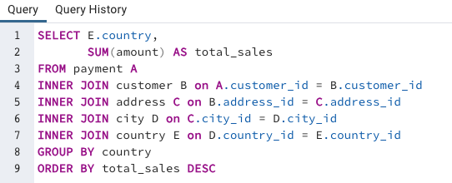
country | total_sales
Afghanistan | $67.82
Algeria | $349.18
American Samoa | $47.85
Angola | $187.55
Anguilla | $99.68
Argentina | $1,298.80
Armenia | $118.75
Austria | $284.30
Azerbaijan | $198.53
Bahrain | $108.76
Bangladesh | $353.19
Belarus | $271.36
Bolivia | $178.56
Brazil | $2,919.19
Brunei | $107.66
Bulgaria | $194.52
Cambodia | $179.51
Cameroon | $186.49
Canada | $559.70
Chad | $122.72
Chile | $303.34
China | $5,251.03
Colombia | $661.54
Congo, The Democratic Republic of the | $168.58
Czech Republic | $132.72
Dominican Republic | $304.26
Ecuador | $369.18
Egypt | $659.48
Estonia | $105.72
Ethiopia | $91.77
Faroe Islands | $96.76
Finland | $78.79
France | $334.12
French Guiana | $97.80
French Polynesia | $205.52
Gambia | $114.73
Germany | $741.24
Greece | $204.54
Greenland | $119.72
Holy See (Vatican City State) | $146.68
Hong Kong | $104.76
Hungary | $111.71
India | $6,034.78
Indonesia | $1,352.69
Iran | $877.96
Iraq | $111.73
Israel | $379.13
Italy | $753.26
Japan | $3,122.51
Kazakstan | $192.51
Kenya | $245.49
Kuwait | $106.75
Latvia | $249.43
Liechtenstein | $99.74
Lithuania | $63.78
Madagascar | $92.79
Malawi | $121.73
Malaysia | $330.23
Mexico | $2,984.82
Moldova | $127.66
Morocco | $274.35
Mozambique | $315.25
Myanmar | $179.53
Nauru | $143.70
Nepal | $93.83
Netherlands | $557.73
New Zealand | $85.77
Nigeria | $1,314.92
North Korea | $107.71
Oman | $161.56
Pakistan | $473.84
Paraguay | $273.40
Peru | $407.01
Philippines | $2,219.70
Poland | $786.16
Puerto Rico | $224.48
Romania | $218.42
Runion | $211.55
Russian Federation | $2,765.62
Saint Vincent and the Grenadines | $64.82
Saudi Arabia | $452.94
Senegal | $95.76
Slovakia | $80.77
South Africa | $1,069.46
South Korea | $527.77
Spain | $513.80
Sri Lanka | $103.73
Sudan | $202.51
Sweden | $139.67
Switzerland | $248.41
Taiwan | $1,155.10
Tanzania | $322.22
Thailand | $401.08
Tonga | $64.84
Tunisia | $73.78
Turkey | $1,498.49
Turkmenistan | $126.74
Tuvalu | $93.78
Ukraine | $675.53
United Arab Emirates | $305.25
United Kingdom | $850.96
United States | $3,685.31
Venezuela | $632.43
Vietnam | $676.45
Virgin Islands, U.S. | $121.69
Yemen | $473.93
Yugoslavia | $233.49
Zambia | $121.70

